Issue Sheet
Issue Sheet

r | Control Information

 |  | Issue No. |  | TIP | I | A | 02109 | Type |  |  | Request |  | Status |  |  | OPEN
 |  | Creation Date |  | 2021-09-21 |  |  |  | Due Date |  |  | 2021-09-21 |  | Close Date
 |  | Priority |  | High |  |  |  | System |  |  | EBS |  | Application Module |  |  | IA(Addon)

r | Inquiry Information

 |  | [TIP ENDUSER/TIPISD/ME-Sui] |  |  |  |  |  |  | [TIPISD/ME-Sui] |  |  |  |  | [ME-Sui]
 |  |  | Request | Approval |  |  |  |  |  | Registration |  | Approval |  |  | Reception |  | Assignment
 |  | Dept. | FIA | FIA |  |  |  |  | Dept. | TIP-ISD |  | TIP-ISD |  | Dept.
 |  | Name | ESPER LEYBAN | ROWENA GABUCAY |  |  |  |  | Name | R. De Villa |  | C. Tapia |  | Name
 |  | Date | 2021-09-21 | 2021-09-21 |  |  |  |  | Date | 2021-09-21 |  | 2021-09-21 |  | Date

 |  | Issue Category
 |  | Title |  | Recovery of IA Transactions due to Incorrect accounting segment
 |  | Issue |  | To change Field7 of MQA4 Interdep expense transfer accounting combination under MDS org from X2410 to X2110.

**PLEASE FILL OUT ORANGE SHEETS ALSO**

 |  | Reason |  | Wrong Accounting combination

 |  | Detail Attachment |  |  |  |  |  | Link to Attachment Sheet

r | Investigation Information

 |  | [TIPISD/ME-Sui] |  |  |  |  |  |  | [TIPISD/ME-Sui] |  |  |  |  | [TIP ENDUSER]
 |  |  | Investigation | Approval |  |  |  |  |  | Confirmation |  | Approval |  |  | Confirmation |  | Approval
 |  | Dept. |  |  |  |  |  |  | Dept. |  |  |  |  | Dept.
 |  | Name |  |  |  |  |  |  | Name |  |  |  |  | Name
 |  | Date |  |  |  |  |  |  | Date |  |  |  |  | Date

 |  | Cause Category
 |  | Cause

 |  | Workaround and Countermeasure

 |  | Detail Attachement |  |  |  |  |  | Link to Attachment Sheet

r | Actual Operation Information
 |  | [TIPISD/ME-Sui] |  |  |  |  |  |  | [TIPISD/ME-Sui] |  |  |  |  | [TIP ENDUSER]
 |  |  | Operation | Approval |  |  |  |  |  | Confirmation |  | Approval |  |  | Confirmation |  | Approval
 |  | Dept. | TIP-ISD | TIP-ISD |  |  |  |  | Dept. |  |  |  |  | Dept. | FIA |  | FIA
 |  | Name | R. De Villa | C. Tapia |  |  |  |  | Name |  |  |  |  | Name | ESPER LEYBAN |  | ROWENA GABUCAY
 |  | Date | 2021-09-01 | 2021-09-01 |  |  |  |  | Date |  |  |  |  | Date | 2021-09-01 |  | 2021-09-01

 |  | Actual Operation

 |  | Evidence Attachment |  |  |  |  |  | Link to Attachment Sheet
 |  |  |  |  |  |  |  |  |  |  |  |  |  |  |  |  |  | TIP.3109.R2

Actual Operation Evidence
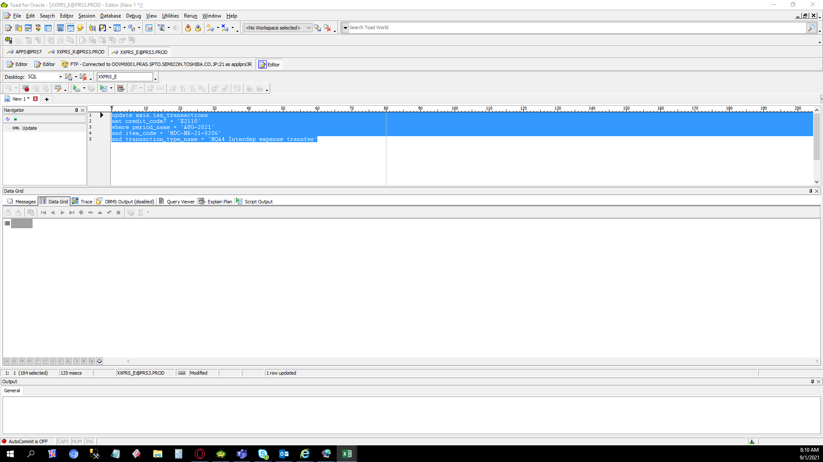
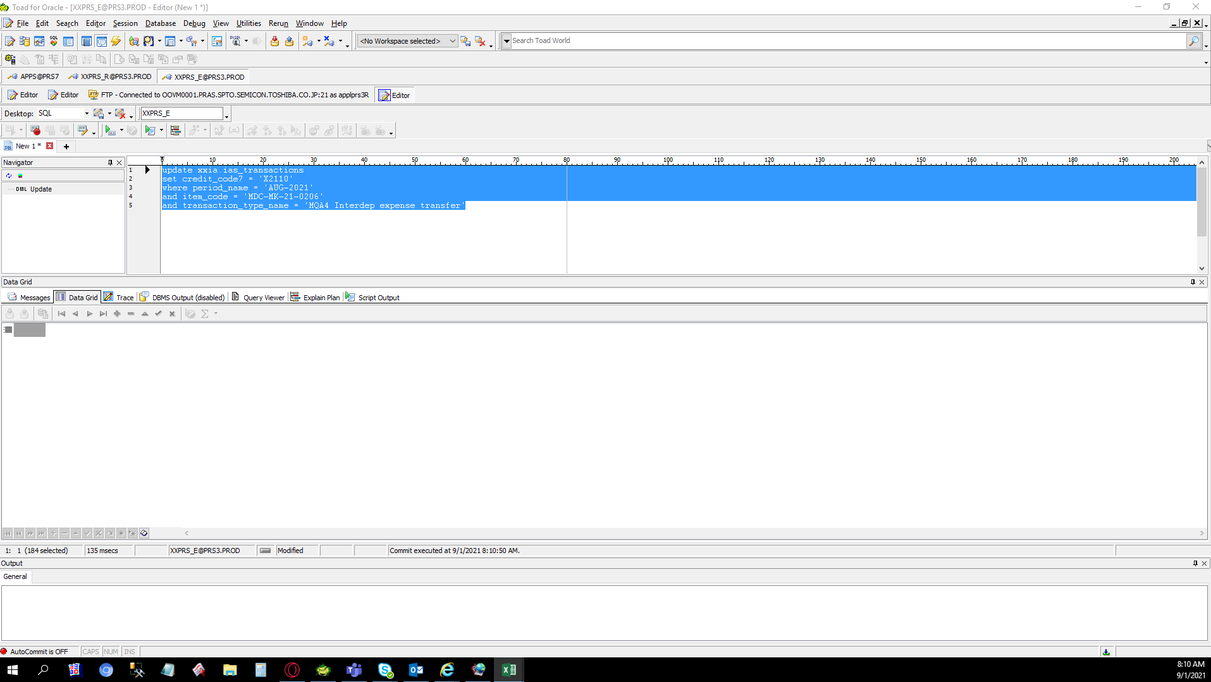
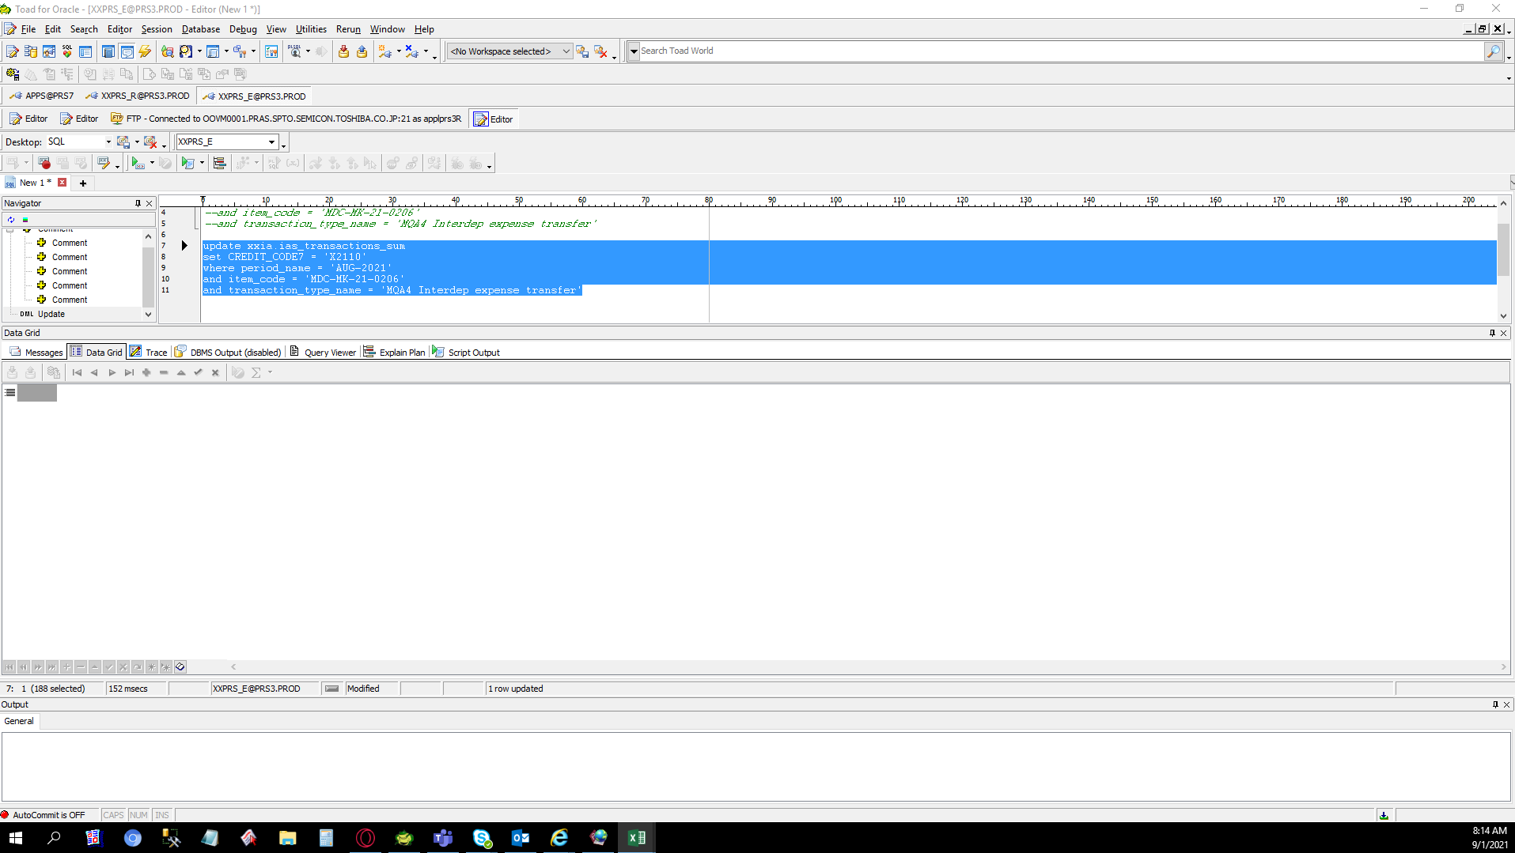
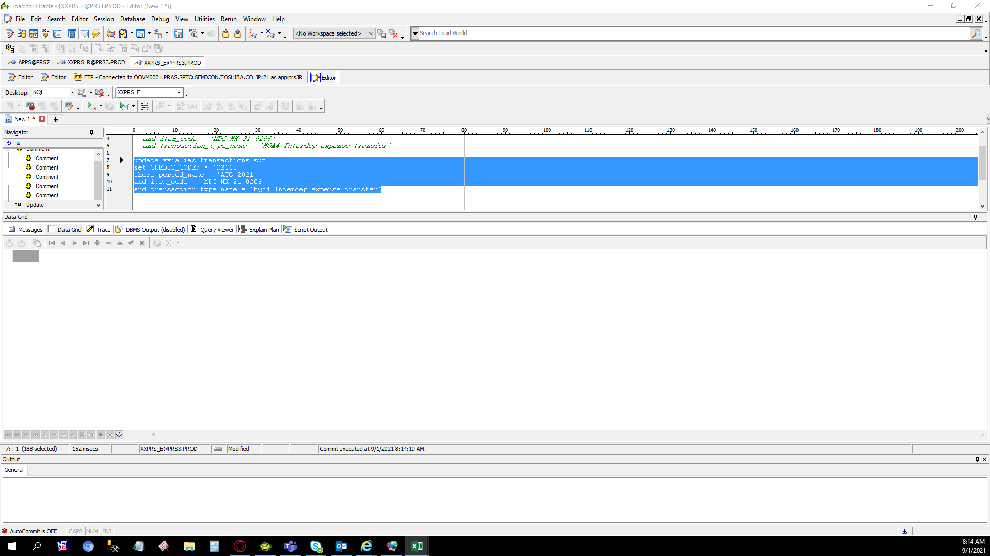
Actual Operation Evidence

Helpdesk Request
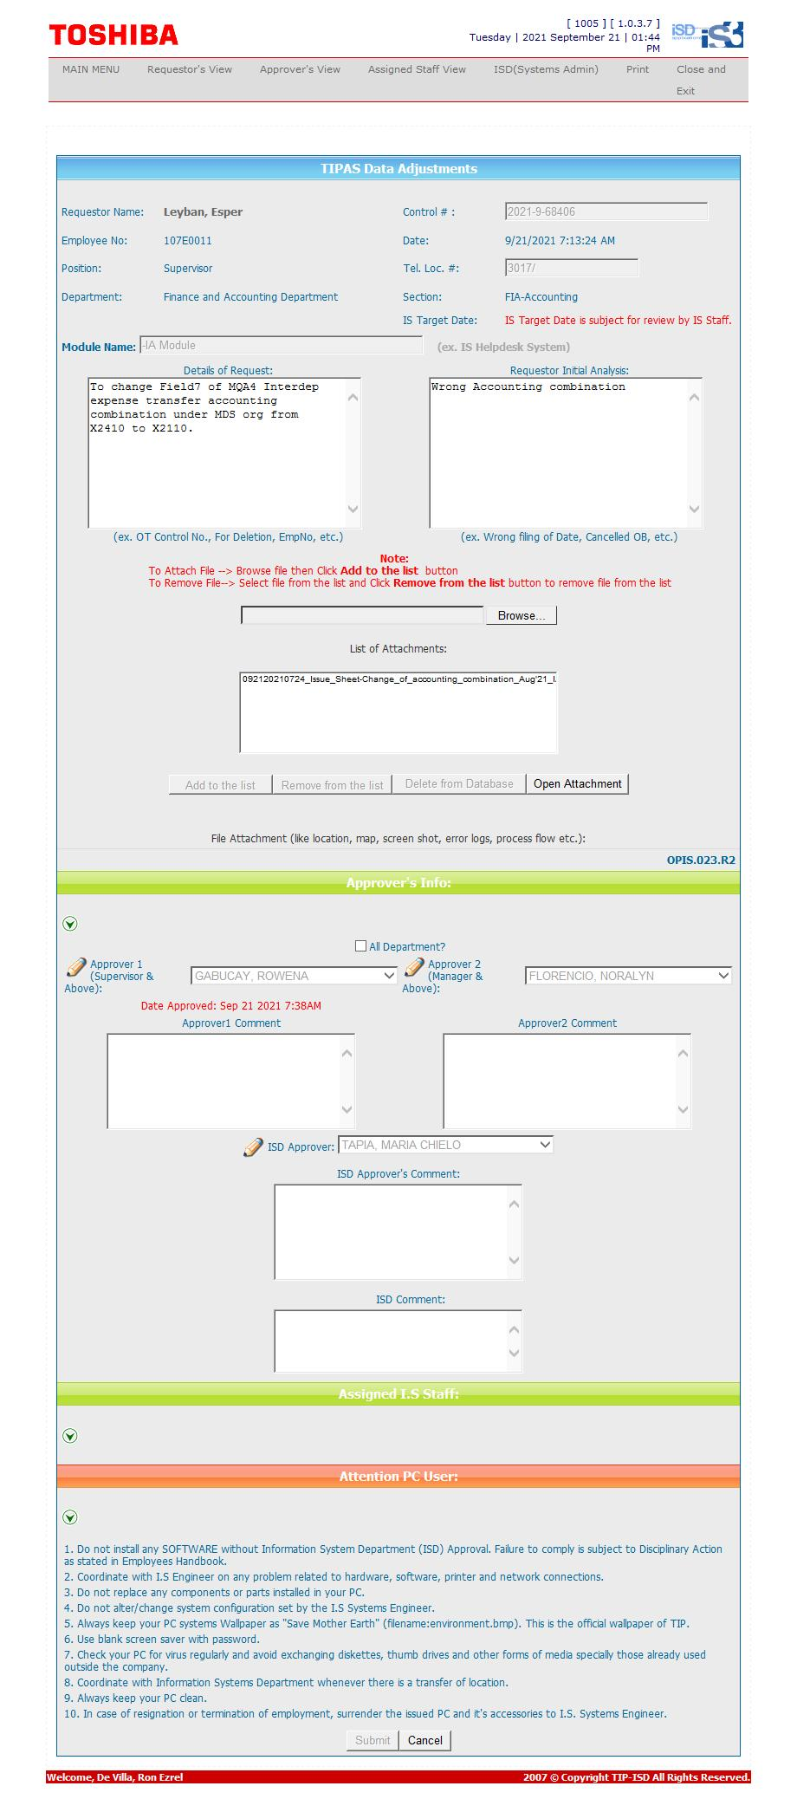
Helpdesk Request

 | ATTACH SCREENSHOT OF HELPDESK REQUEST.

